Hypothesis Testing
Category | H0 | H1 | Test
1 catgory Feature | There is no difference in gender praportion | There is a difference in the praportion | One sample test | If p<0.05 then Reject Null Hypothesis
2 Category feature | There is no difference in the praportion of Age group based on praportion of Gender. | There is difference in the praportion of Age group based on praportion of Gender. | Chi Square Test | If p<0.05 then Reject Null Hypothesis
one continous variable | With Older dataset there is no difference in the mean height of current dataset. | With Older dataset there is difference in the mean height of current dataset. | T-Test/ Z-test | If p<0.05 then Reject Null Hypothesis
2 Numerical Variable | There is no relationship | There is relationship | Correlation t-Test
1 Numerical and 1 Categorical feature with 2 categories |  |  | T-Test
1 Numerical and 1 Categorical feature with more than 2 categories |  |  | Annova | If p<0.05 then Reject Null Hypothesis

Scenario | Test | Variables Involved | Example
1 numerical vs. population mean (σ known) | Z-test | 1 numerical | Test if sample mean = 100 (σ = 15).
1 numerical vs. population mean (σ unknown) | One-sample t-test | 1 numerical | Test if student scores differ from μ = 75 (σ unknown).
2 independent groups (small sample) | Independent t-test Compare mean of two independent groups to detemine if there is a significant difference between them | 1 numerical + 1 binary categorical | Compare salaries of men vs. women.
2 related groups (before/after) | Paired t-test Compares means of two group before and after measurements on some conditions | 1 numerical (paired measurements) | Test weight loss after a diet program.
1 categorical (frequency distribution) | Chi-square Goodness-of-Fit | 1 categorical | Check if customer preferences are equal.
2 categorical variables (association) | Chi-square Independence | 2 categorical | Test if education level affects job type.
≥3 groups (1 categorical factor) | One-Way ANOVA | 1 numerical + 1 categorical (≥3 categories) | Compare exam scores across three schools.
≥3 groups (2 categorical factors) | Two-Way ANOVA | 1 numerical + 2 categorical | Test if plant growth depends on fertilizer and sunlight.

Z-Test | T-Test
Used when σ is known or n ≥ 30 | Used when σ is unknown and n < 30
Relies on the Z-distribution | Relies on the t-distribution
Less common in practice (since population variance is rarely known) | More widely used (e.g., one-sample t-test, two-sample t-test)

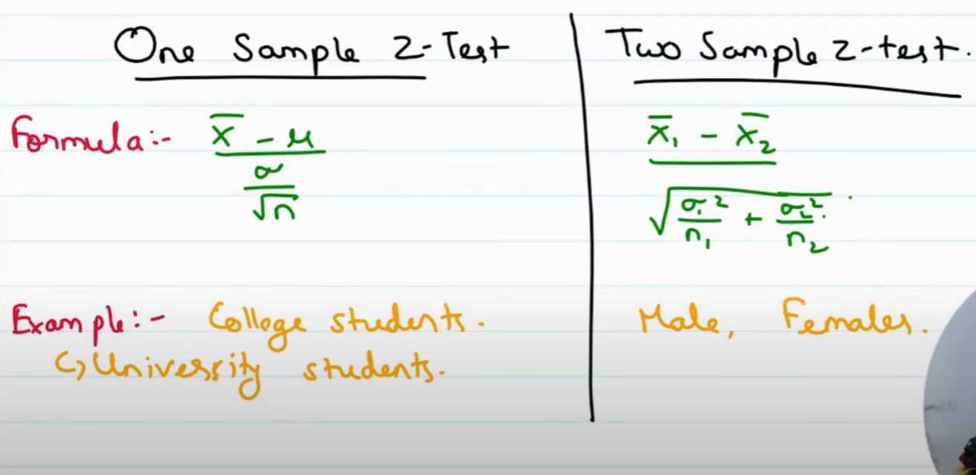
Z-Test | One Sample Z-Test
 | Two Sample Z-Test

Chi-square
used to determine whether there is a significant association between two categorical variables.
Assumptions | * The data consists of categorical variables * Observations are independent * The expected frequency in each category is at least 5
Example: If testing the relationship between "Gender" and "Preference for a Product
Null Hypothesis (H0): | Gender does not influence product preference.
H1 | The two variables are dependent (there is an association).
If p <0.05 then reject H0

ANOVA or F-Test
ANOVA or F-Test | * Compare more than two or more groups * We use F distribution
Assumptions in ANOVA | 1) Normality of sample distribution mean:- The distribution of Sample mean is normally distributed 2) Absence of Outlier from Sample mean 3) Homoginity of Varience:- Each group has same variance. Or Population variance for different levels in each independent variables is equal. 4) Samples are random & independent.
Types of ANOVA | 1) One way ANOVA | * 1 Factor with Atleast with 2 levels. * And these levels are independent.
 | 2) Repeated Measure ANOVA | * 1 Factor with Atleast with 2 levels. * And these levels are dependent.
 | 3) Factorial ANOVA or 2-Way ANOVA | * 2 or Factors, each of which with atleast 2 levels. * Levels can be dependent and independent | H0 = All group means are equal. H1 = At least one group mean differs significantly from the others. | Using p-Test:- If p< 0.05 Thn Reject Null Hupothesis | F -Test:- F_calculated = MSB(Mean square between group)/MWB(Mean square within group) F_critical value is a threshold from the F-distribution table If F_calculated > F_critical ; Reject Hypothesis
 |  |  | * two independent variables (factors) and their interaction on a dependent variable. Tests three hypotheses: * Main Effect of Factor A=> H0 = All level means of Factor A are equal. & H1 = At least one level mean of Factor A differs. * Main Effect of Factor B=> H0 = All level means of Factor B are equal. & H1 = At least one level mean of Factor B differs. * Interaction Effect (A × B)=> H0 = The effect of Factor A is consistent across all levels of Factor B (and vice versa). (No significant interaction b/w A & B.) H1 = The effect of Factor A differs across levels of Factor B (or vice versa). (There is a significant interaction.)

